Visual Proofs_ScreenVideo
Bug Images/Screenshots/Videos

BR01 | BR01 | BR01
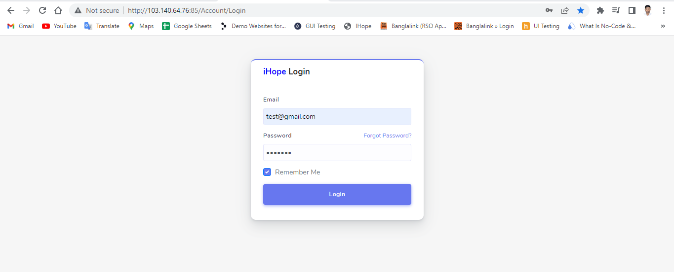
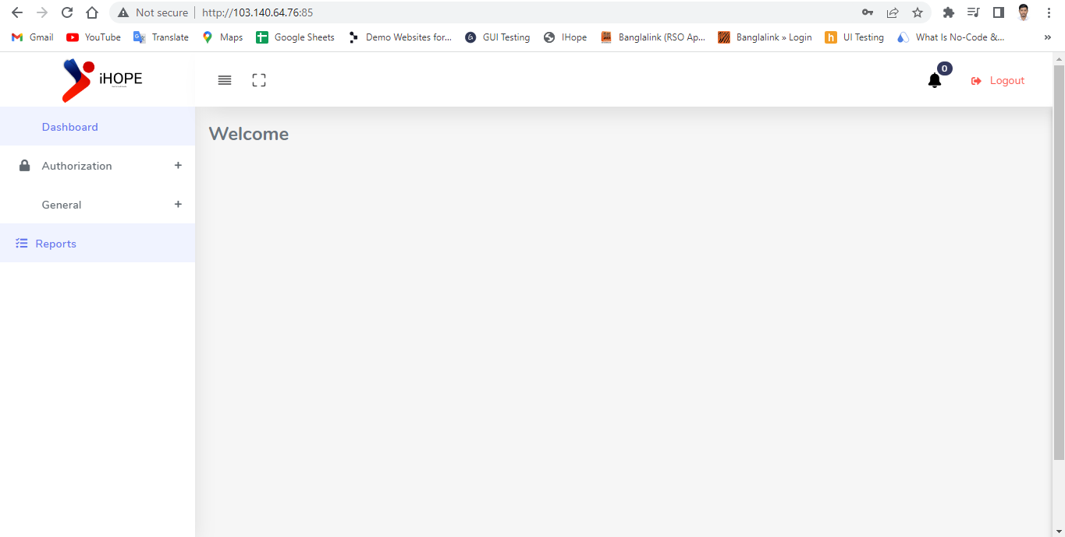
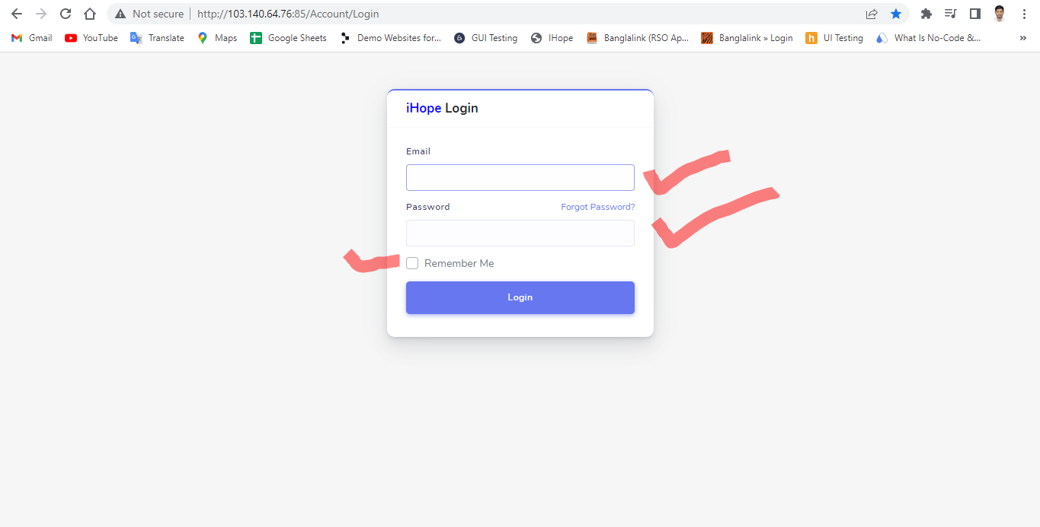


BR02 | BR02
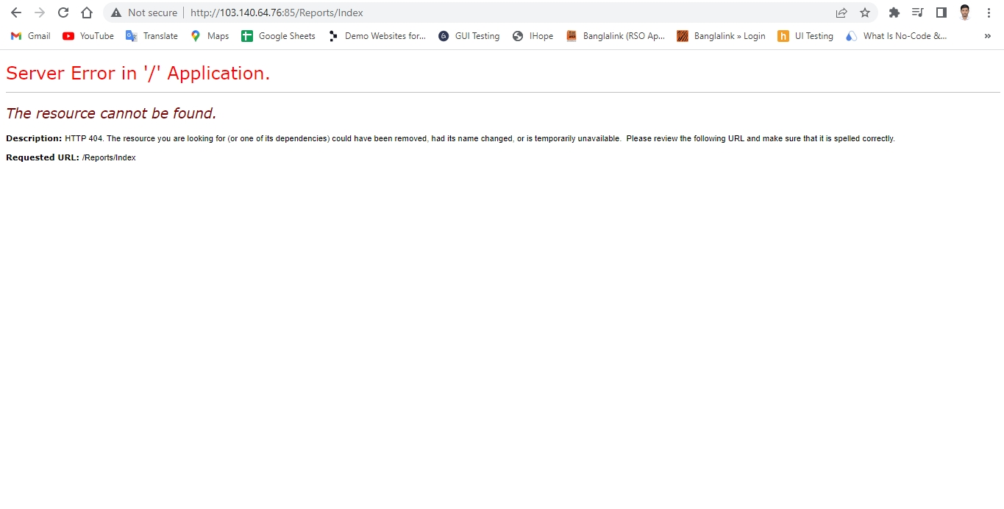

BR03 | BR03

BR04 | BR04
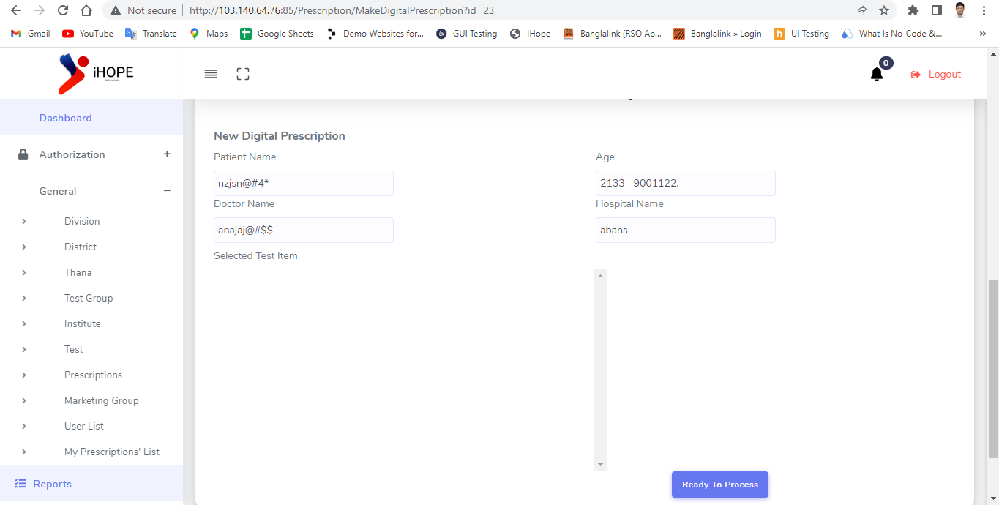

BR05 | BR05

BR06 | BR06

BR07 | BR07

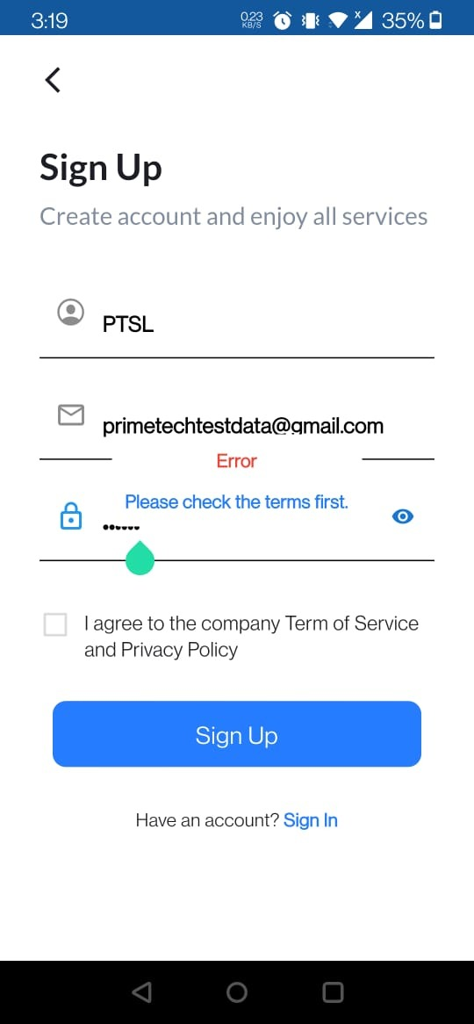
BR08 | BR08

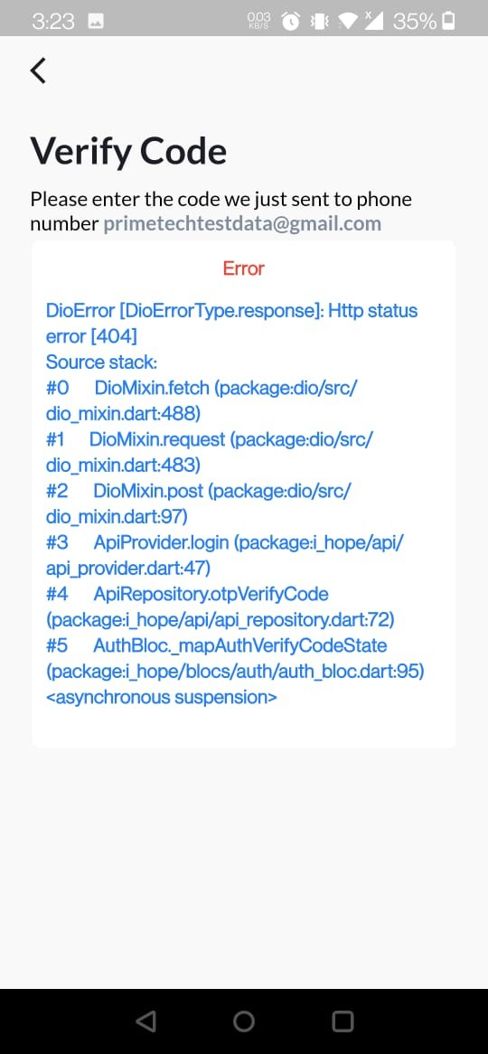
BR09 | BR09

BR010 | BR010



BR011 | BR011

BR012 | BR012



BR013 | BR013

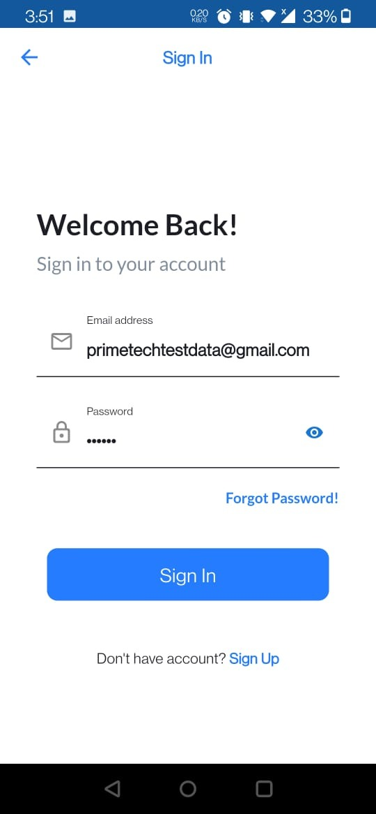

BR014 | BR014

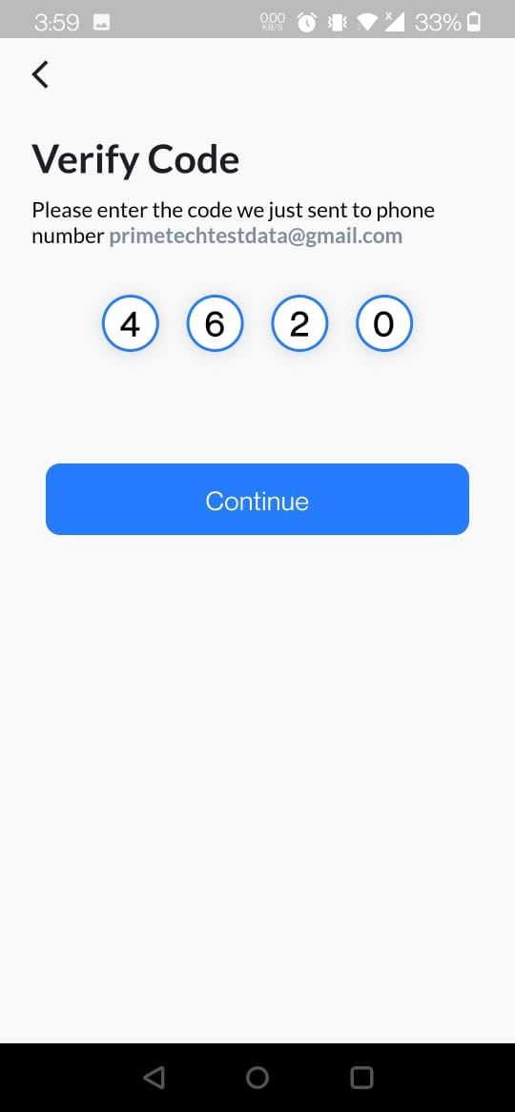

BR015 | BR015

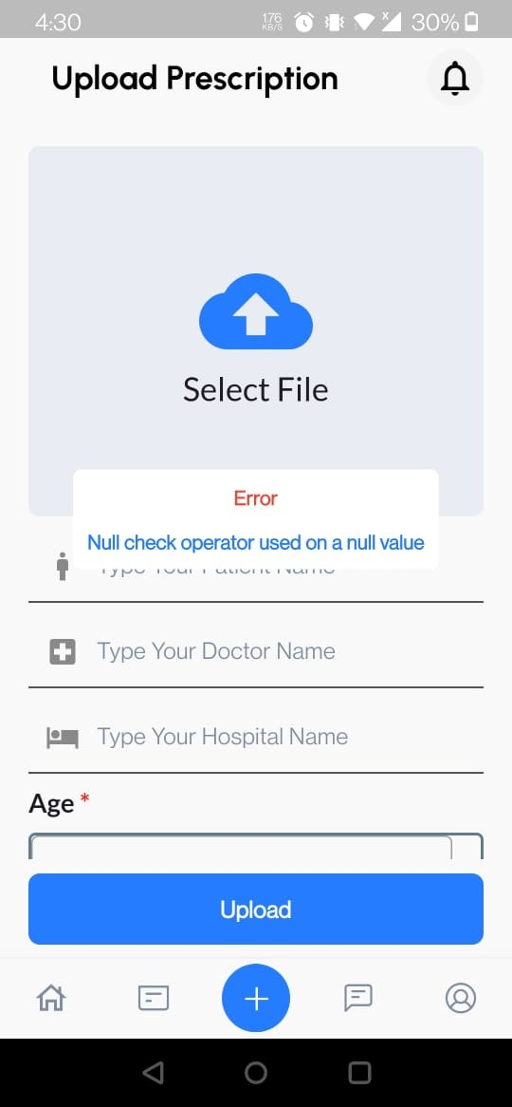

BR016 | BR016

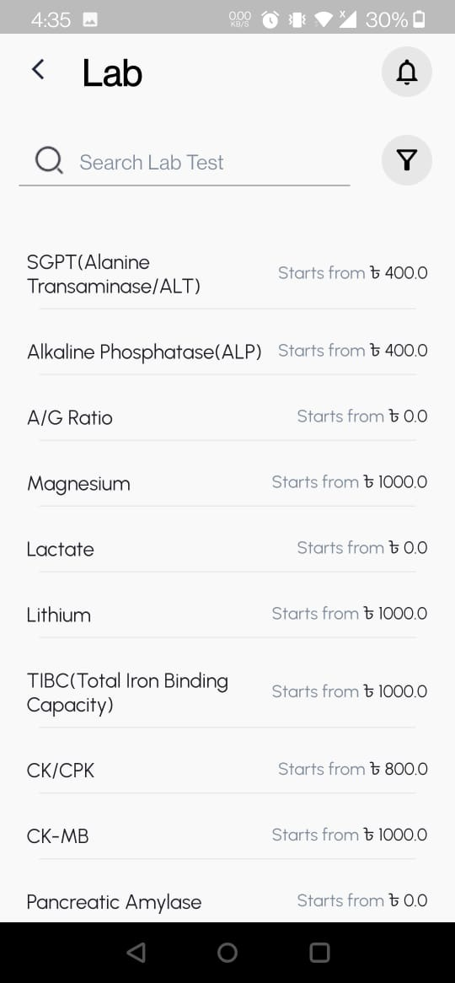

BR017 | BR017

BR018 | BR018

BR019 | BR019

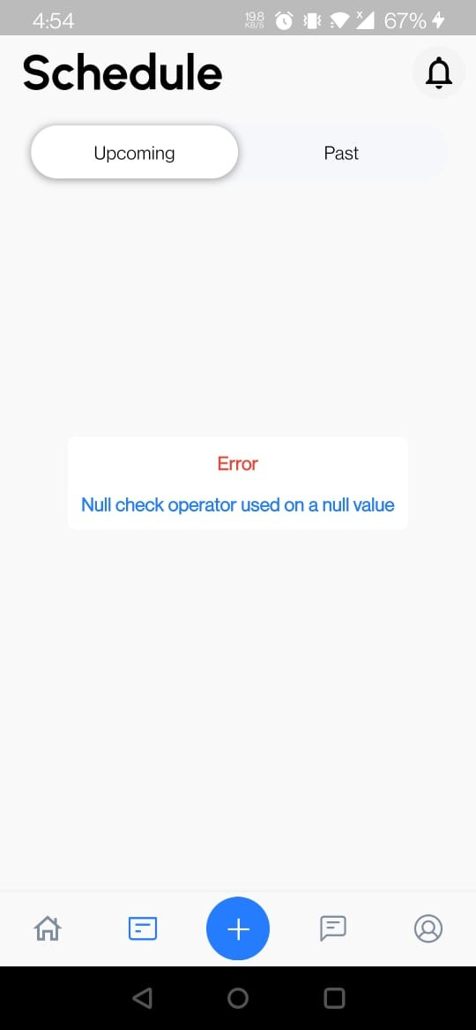

BR020 | BR020

BR021 | BR021




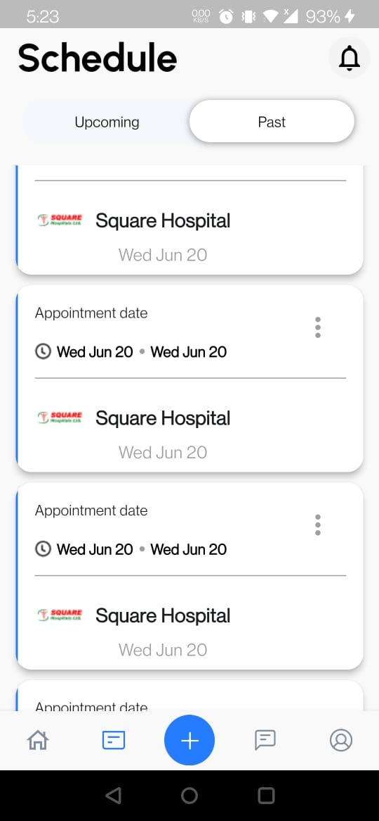
BR022 | BR022


BR023 | BR023

BR024 | BR024

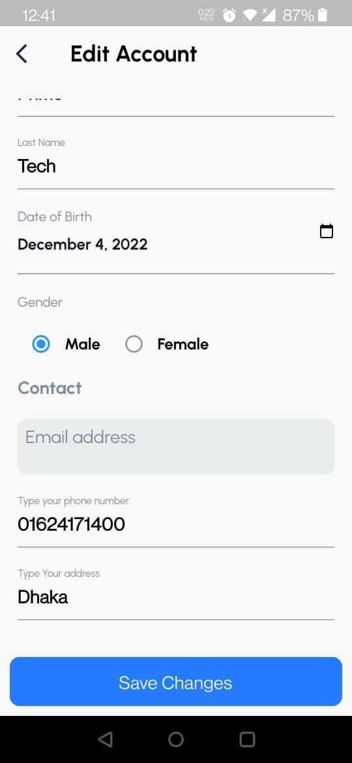

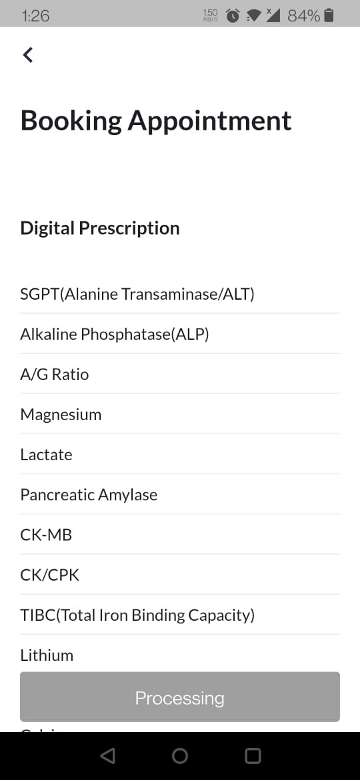
BR025 | BR025

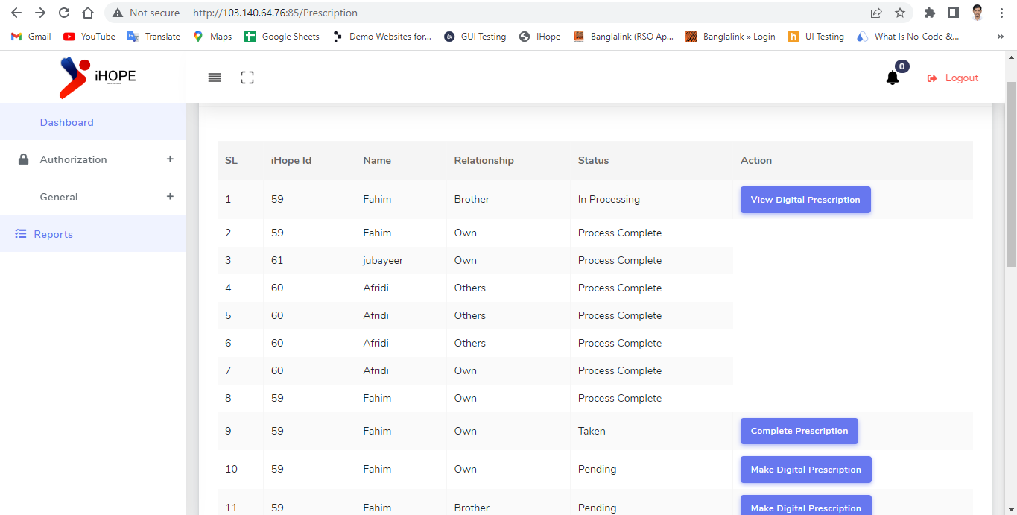

BR026 | BR026

BR027 | BR027

BR028 | BR028

BR029 | BR029

BR030 | BR030

BR031 | BR031

BR032 | BR032

BR033 | BR033

BR034 | BR034

BR035 | BR035

BR036 | BR036

BR037 | BR037

BR038 | BR038

BR039 | BR039

BR040 | BR040

BR041 | BR041

BR042 | BR042

BR043 | BR043

BR044 | BR044

BR045 | BR045

BR046 | BR046

BR047 | BR047

BR048 | BR048

BR049 | BR049

BR050 | BR050

